Intro
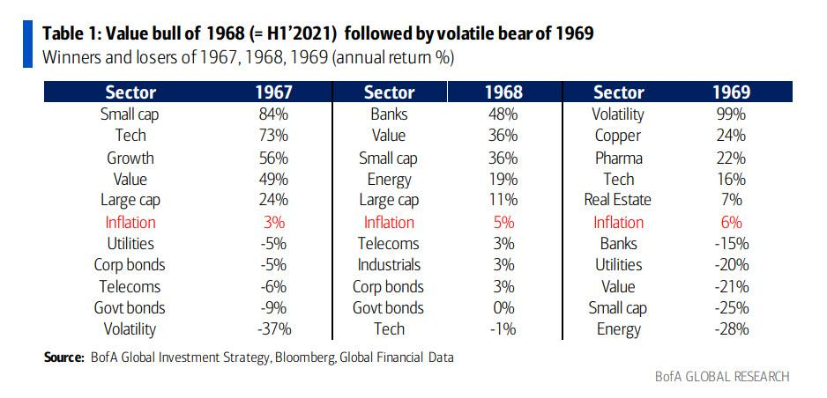
Portfolio:
1) GLD, SPDR GOLD SHARES
2) SLV: ISHARES SILVER TRUST
3) CPER: UNITED STATES COPPER INDEX FUND
4) SPY: US DOLLAR BULLISH INDEX FUND
5) QQQ: ISHARES 20+ YEARS TREASURY BOND ETF
6) XLF: FINANCIAL SELECT SECTOR SPDR FUND
7) XRT: SPDR RETAIL ETF
8) XOP: SPDR OIL & GAS EXPLORATION & PRODUCTION ETF
9) AMZN: AMAZON
10) TSLA: TESLA
My belief: inflation will be continuous
Federal Reserve: inflation will be transitory
-> Short-term (H2) inflation will happen regardless if it is transitory or not -> Transition from growth stocks to value stocks and commodities
Background:
1967: U.S. government running budget deficits due to the ongoing Vietnam War, dovish Fed, and inflation running hotter than usual
1970: U.S. economy was in a recession for a decade because Paul Volcker set interest rates to 20% to combat hyperinflation
1) GLD, SLV & CPER
-Indicators: fed fund rate, long term bond yields, value of the dollar/M2/inflation
-Efficiency of federal reserve's monetary policy based, if broken price will be determined by supply and demand of physical market (Catalyst: Bassel III?)
-For copper, it is an industrial metal and it is used in vaccines, including, COVID-19 vaccines and EVs
2) SPY & QQQ
-Indicators: Federal Reserve monetary policy, U.S. economic data
3) XLF, XRT, & XOP
-Indicators: fiscal policy, inflation
-Retail sector will benefit from extended unemployment benefits, more stimulus checks, and economic reopening
-Financial sector will benefit from a steeper yield curve
-Gas and oil will benefit from lower supply with respect to demand (OPEC but removal of Iran sanctions will increase supply) and economic reopening (e.g. demand from transportation)
Inflation: CPI (goods and services) and Core inflation (excludes food and energy)
-Since, 1970 the U.S. government has decreased the weight in certain essential categories (e.g. food) and substituted other essential categories (like housing) with imaginary variables that are not representative of the general population in the CPI
-Why? b/c doing so will decrease social security payments which leads to lower annual government deficits
Real Inflation: measured by demand-pull inflation and cost-push inflation (supply side)
-Demand-pull infaltion (pent up demand from unemployment benefits, stimulus checks and economic reopening)
-Cost-push inflation (input costs, container costs, lower manufacturing capacity, port congestions, back logs in Asia)

Ending
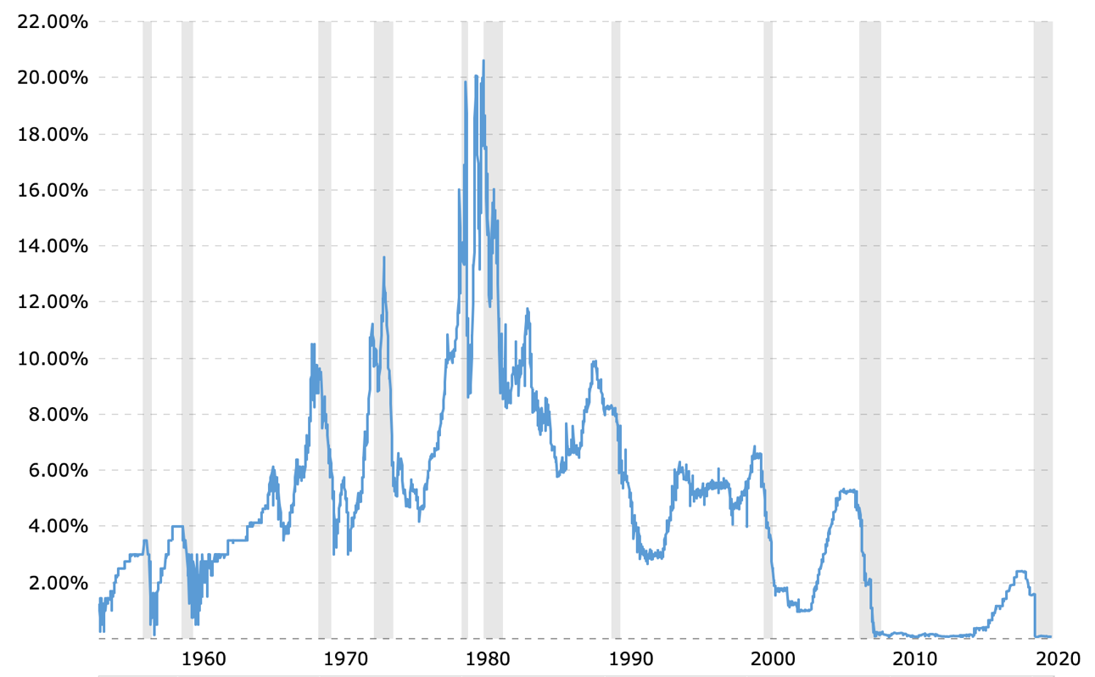
Market
-Market is FED dependent
-The bond market is being nationalized just like how the MBS market was nationalized in 2008
Problems that will continue to exist in the economy:
-A good amount of small businesses that closed before the pandemic aren't reopening
-Zombie companies
-Short-term inflation will erode purchasing power of low-income and middle-income earners
-Corporate operating profits have stagnated even though GDP is growing 3 times faster than usual
What to consider in the medium and long-term:
-Are low and middle-income earners spending more conservatively due to economic conditions
-How is inflation increasing from money velocity
-Will increase in interest rates severely affect zombie companies
-Will speculative betting on inflation cause inflation to be greater
-Where does U'S government bonds stand as a safe haven asset versus gold/do people want to hold dollars in the next crisis
-Is Biden purposely devaluing the dollar so that manufacturing jobs (EV) can be created and export competitiveness can be increased
-Will the Fed choose to fight inflation at the cost of the economy or will they let it run hot before 2023
-How are trade relations with China and is there any cooperation in increasing the global economic recovery
-Have supply chain issues been fixed
If inflation not transitory: GLD & SLV

